MCP_Advanced_Topics
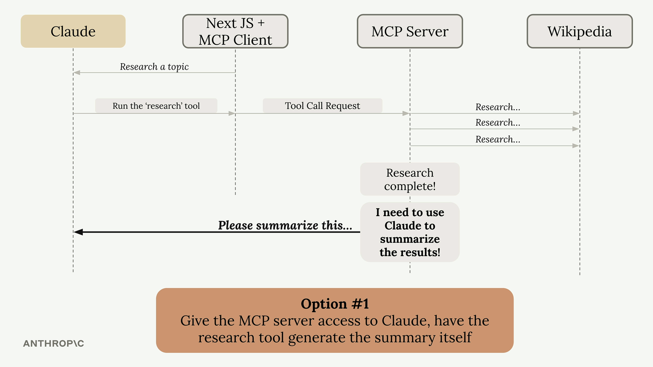

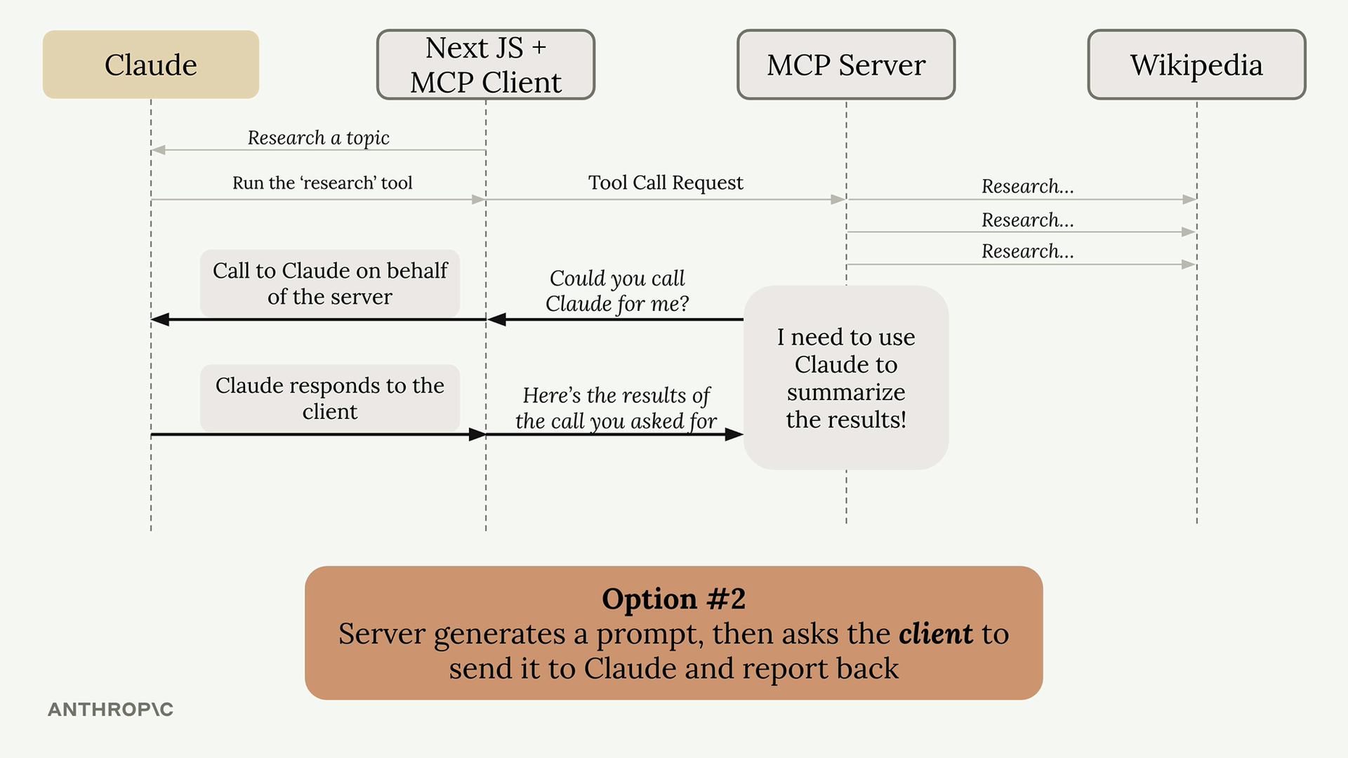

No. | Sampling Steps
1 | Initiate Sampling
2 | Sampling Callbacks
3 | Message formats
4 | Returning Generated Text
5 | Connecting the callback
6 | Getting the result

